Theoretical%
Item | Theoretical %
Rent+Parking | 25
Health Insurance | 10
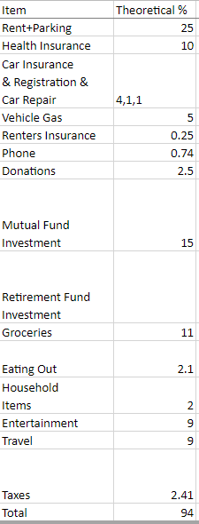
Car Insurance & Registration & Car Repair | 4,1,1
Vehicle Gas | 5
Renters Insurance | 0.25
Phone | 0.74
Donations | 2.5
Mutual Fund Investment | 15
Retirement Fund Investment
Groceries | 11
Eating Out | 2.1
Household Items | 2
Entertainment | 9
Travel | 9
Taxes | 2.41
Total | 94

